Total Subscribers Analysis
Total Subscribers Analysis

Reconciliation (Excel Vs SQL) |  | Conversion Rate | 2%
 |  | Product Cost | $5.00
 |  | Campaign Cost | $50,000.00

Channel Name | Avg Views/Video (Excel) | Avg Views/Video (SQL) | Est. Sales/Video (Excel) | Est. Sales/Video (SQL)) | Est. Revenue/Video (Excel) | Est. Revenue/Video (SQL) | Net Profit (Excel) | Net Profit (SQL) | Profit Difference
Kinder Spielzeug Kanal | 11,900,000 | 11,900,000 | 238,000 | 238,000 | 1,190,000 | 1,190,000 | 1,140,000 | 1,140,000 | -
Dhruv Rathee | 5,170,000 | 5,170,000 | 103,400 | 103,400 | 517,000 | 517,000 | 467,000 | 467,000 | -
HaerteTest | 2,090,000 | 2,090,000 | 41,800 | 41,800 | 209,000 | 209,000 | 159,000 | 159,000 | -
Ice Cream Rolls | 660,000 | 660,000 | 13,200 | 13,200 | 66,000 | 66,000 | 16,000 | 16,000 | -
The Voice Kids | 2,120,000 | 2,120,000 | 42,400 | 42,400 | 212,000 | 212,000 | 162,000 | 162,000 | -

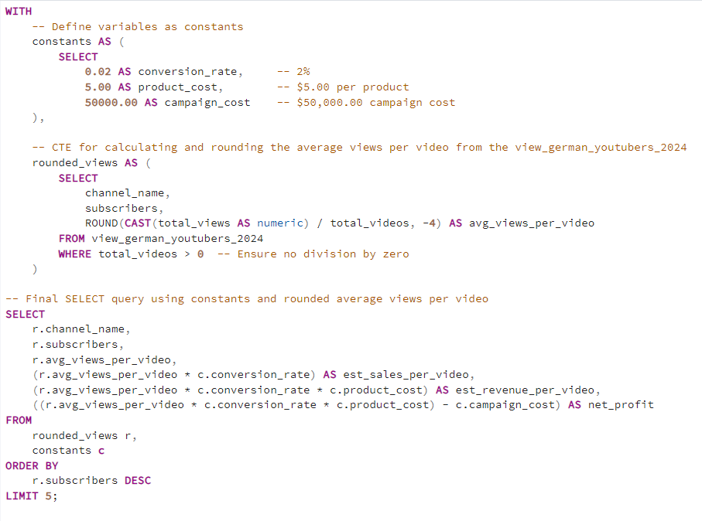

Data FROM SQL | channel_name | subscribers | avg_views_per_video | est_sales_per_video | est_revenue_per_video | net_profit
 | Kinder Spielzeug Kanal | 27800000 | 11900000 | 238000 | 1190000 | 1140000
 | Dhruv Rathee | 24800000 | 5170000 | 103400 | 517000 | 467000
 | The Voice Kids | 10400000 | 2120000 | 42400 | 212000 | 162000
 | HaerteTest | 19600000 | 2090000 | 41800 | 209000 | 159000
 | Ice Cream Rolls | 12300000 | 660000 | 13200 | 66000 | 16000

Recommendations
Kinder Spielzeug Kanal is the best overall option due to its high total views, average views per video, and views per subscription. It offers the broadest reach and impact, making it ideal for wide-reaching marketing campaigns. If engagement is a key focus, Dhruv Rathee would be the next best choice due to its high engagement rate.

